sigmetrics revision test plan
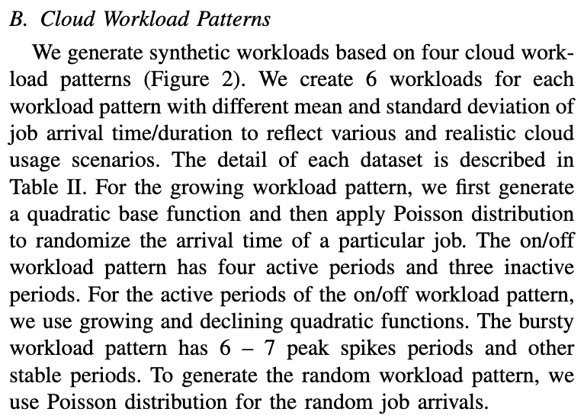
Patterns |  | Attackers
 |  | YoYo | State Aware | Sliding Window
Customer | Growing
 | On/Off |  |  |  | 2 variants? With overlapped intervals + without
 | Bursty
 | Random | ✅ | ✅ | ✅

Test setup:
Tests are 2 hours in duration.
1 hour customer traffic only, 1 hour attackers injected.
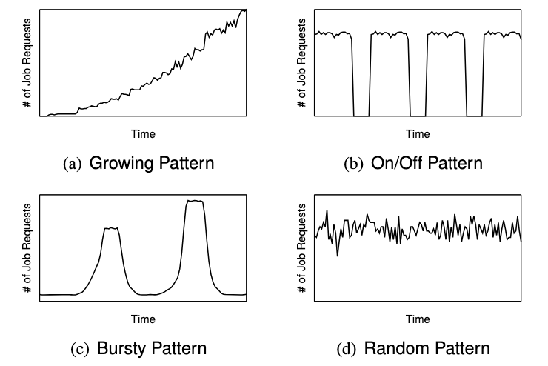
5x, 10x, 20x attack power for each customer/attacker pattern combo.
No randomized autoscaling.
Random (Poisson/precise thpt timer) seed = 1.
Best to also re-run random customer + yoyo/state-aware attacker with 500 threads only to maintain consistency. ✅

Will need to modify script to extract max (maybe median?) metrics appropriately

More attacks...
YoYo with Cost? Right now it's a 2-minute burst every 10-minutes (8-minute pause), so it's kind of a similar cost to the Sliding Window attack?
State Aware with Cost? Turns a little into Sliding WIndow...?

For onoff attack pattern, need to calculate total customer throughput and adjust constant throughput timer accordingly. Doesn't seem to be scaling right now.
That raises bigger question, how exactly

